Sheet1
Subject: |  |  | Patamon |  |  |  |  |  |  | Date: |  |  |  | 2021.06.22
 |  | L |  |  |  |  |  |  |  |  |  | M
 |  |  |  |  |  |  |  |  |  |  |  |  |  |  | a
 |  | 1 | 2 | 3 | 4 | 5 | 6 | 7 | 8 | 9 | 10 | 11 | 12 |  |  | BlackRock | 1 | 2 | 3 | 4 | 5 | 6 | 7 | 8 | 9 | 10 | 11 | 12
A | 1 |  |  |  |  | 37 | 23 | 60 | 45.25 | 61 | 64.75 | 60.75 |  | 1 |  | 1 |  |  |  |  | 7 | 6 | 5 | 4 | 3 | 2 | 1 |  | 1
 | 2 |  |  |  | 20 | 52 | 78 | 72 | 55 | 52 | 80.25 | 64 | 55 | 2 |  | 2 |  |  |  | 16 | 15 | 14 | 13 | 12 | 11 | 10 | 9 | 8 | 2
 | 3 |  |  | 14 | 48 | 64 | 69 | 53 | 55.25 | 63 | 67 | 104 | 114 | 3 |  | 3 |  |  | 26 | 25 | 24 | 23 | 22 | 21 | 20 | 19 | 18 | 17 | 3
 | 4 |  |  | 44 | 64.5 | 65 | 51 | 85 | 63 | 77 | 75 | 89.75 | 77 | 4 |  | 4 |  |  | 36 | 35 | 34 | 33 | 32 | 31 | 30 | 29 | 28 | 27 | 4
 | 5 |  | 51 | 47 | 72.5 | 89 | 52 | 50 | 50 | 62 | 73 | 63 | 51.5 | 5 |  | 5 |  | 47 | 46 | 45 | 44 | 43 | 42 | 41 | 40 | 39 | 38 | 37 | 5 |  | recently lose signal
 | 6 |  | 46 | 60.5 | 65.25 | 62 | 52 | 107.75 | 46.75 | 53 | 47 | 63 | 54 | 6 |  | 6 |  | 58 | 57 | 56 | 55 | 54 | 53 | 52 | 51 | 50 | 49 | 48 | 6 |  | never shown signal or no signal for two weeks channel
 | 7 | 48.75 | 56.75 | 56 | 77 | 55 | 74 | 61 | 66 | 57.5 | 55 | 56 | 54 | 7 |  | 7 | 70 | 69 | 68 | 67 | 66 | 65 | 64 | 63 | 62 | 61 | 60 | 59 | 7 |  | moved in a week
 | 8 | 48 | 53.75 | 69 | 59.5 | 59 | 69 | 73 | 66 | 65 | 61 | 64 | 54 | 8 |  | 8 | 82 | 81 | 80 | 79 | 78 | 77 | 76 | 75 | 74 | 73 | 72 | 71 | 8 |  | broken channels
 | 9 | 37 | 40 | 45 | 49 | 52 | 63 | 63.5 | 66 | 53 | 54 | 59.5 | 57 | 9 |  | 9 | 94 | 93 | 92 | 91 | 90 | 89 | 88 | 87 | 86 | 85 | 84 | 83 | 9 |  | large noise channels
 | 10 | 86 | 47 | 47 | 51 | 58 | 70 | 60 | 51 | 56 | 60.5 | 57 | 60 | 10 | ` | 10 | 106 | 105 | 104 | 103 | 102 | 101 | 100 | 99 | 98 | 97 | 96 | 95 | 10 |  | mid-frequency noise
P | 11 | 57 | 100 | 55 | 58 | 61 | 68 | 55 | 56 | 50 | 52 | 56 | 50.5 | 11 |  | 11 | 118 | 117 | 116 | 115 | 114 | 113 | 112 | 111 | 110 | 109 | 108 | 107 | 11 |  | recently moved
 | 12 |  | 69 | 64.5 | 65 | 89 | 58.5 | 54.5 | 44 | 44 | 53 | 51 |  | 12 |  | 12 |  | 128 | 127 | 126 | 125 | 124 | 123 | 122 | 121 | 120 | 119 |  | 12 | 35 | mid-frequency noise
 |  | A | B | C | D | E | F | G | H | I | J | K | L |  |  |  | A | B | C | D | E | F | G | H | I | J | K | L |  | 73 | large noise channels
unit: turns |  |  | (125μm/turn) |  |  |  |  | recorder: |  | Jianshu Li
recording system: |  |  |  |  |  |  |  | SU chs: |  |  | 51,
 |  |  |  |  |  |  |  | MU chs: |  |  | 1,3,5,27,54
 |  |  |  |  |  |  |  | weak MU chs:
 |  |  |  |  |  |  |  | s: small
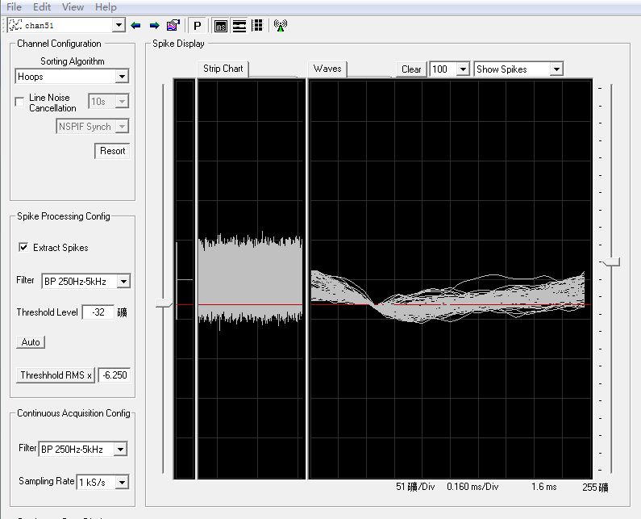
I6 53+74=127turns, quiet until 127, signal in bg, 127+1=128turns, no signal but some noise. 128+0.25=128.25, when screws in, very large low-frequency noise. 128.25+0.75=129. some mid-frequency noise in bg. 129+3=132turns, bg noise like right hand.132+2=134turns, noise back to normal, wf and amp just like 53turns.134+0.75=134.75turns, SU then disappear. 134.75+0.25=135turns, MU

have mechanical noise

